Dala Sales & Deliveries
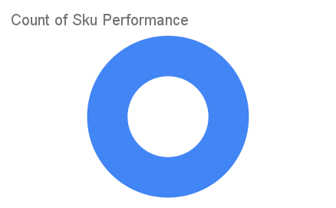
Total Invoices Delivered | 1.00 | Sku Performance | Units | Value
Unique Locations Supplied | 1.00 | 150g Primechem Kesteen Black Soap (48x) | 0.50 | 15,600.00
Total Value of orders | 15,600.00 |  | 0.00 | 0.00
 |  |  | 0.00 | 0.00
 |  |  | 0.00 | 0.00
 |  |  | 0.00 | 0.00
 |  |  | 0.00 | 0.00
 |  |  | 0.00 | 0.00
 |  |  | 0.00 | 0.00
 |  |  | 0.00 | 0.00
 |  |  | 0.00 | 0.00
 |  |  | 0.00 | 0.00
 |  |  | 0.00 | 0.00

